Experiment Visualization
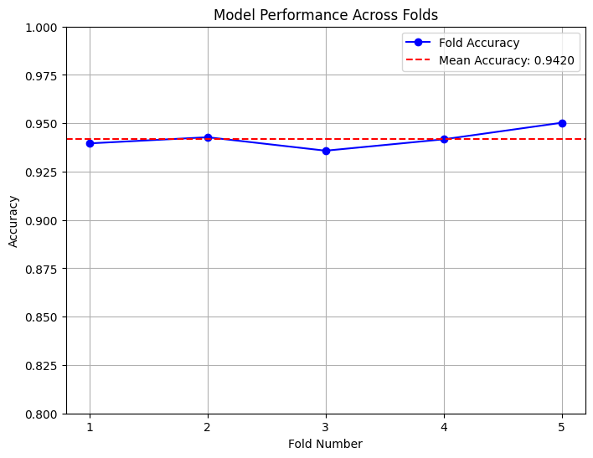
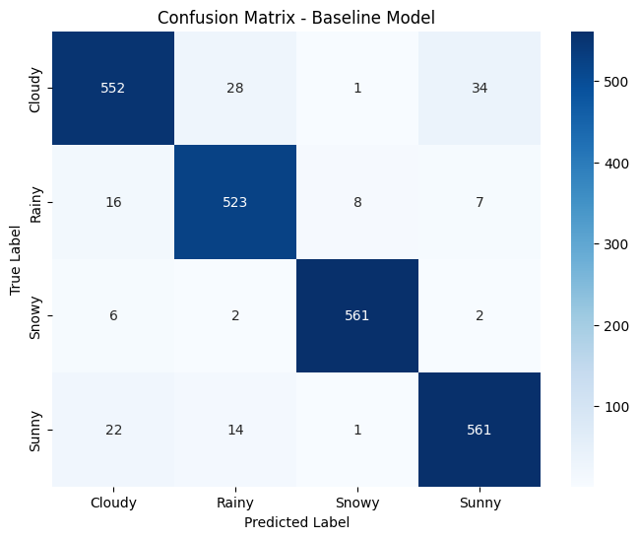
EXPERIMENT 1 - BASELINE MODEL

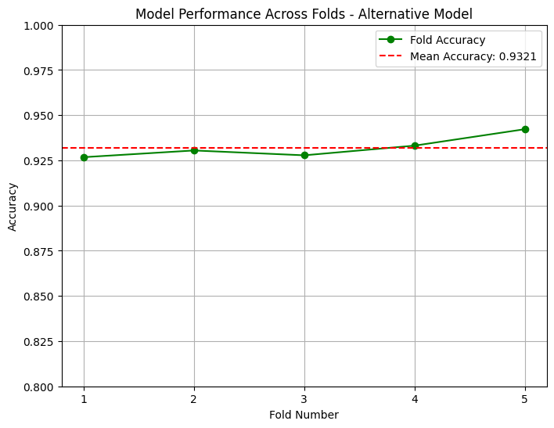
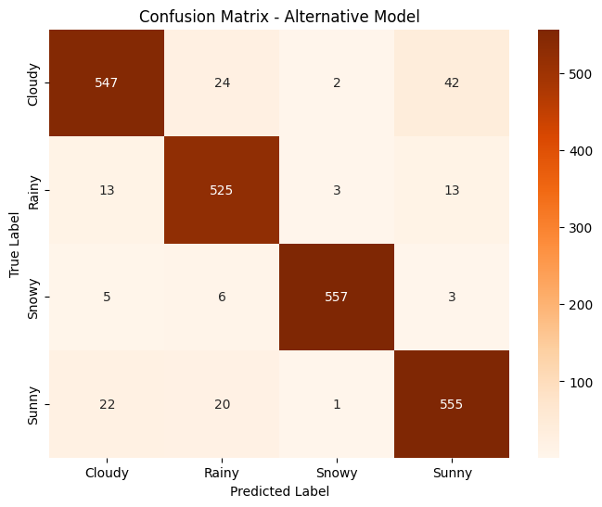
EXPERIMENT 2 - SAGA 1 MODEL

EXPERIMENT 3 - NEWTON CG 1 MODEL
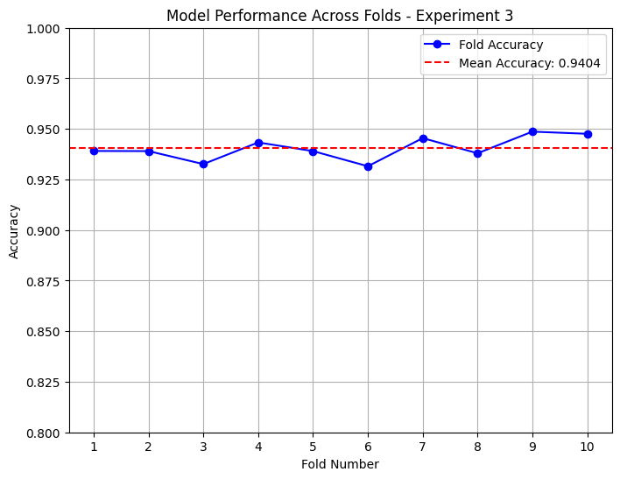
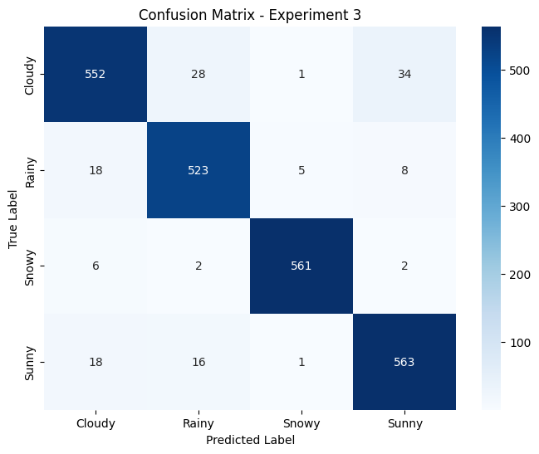

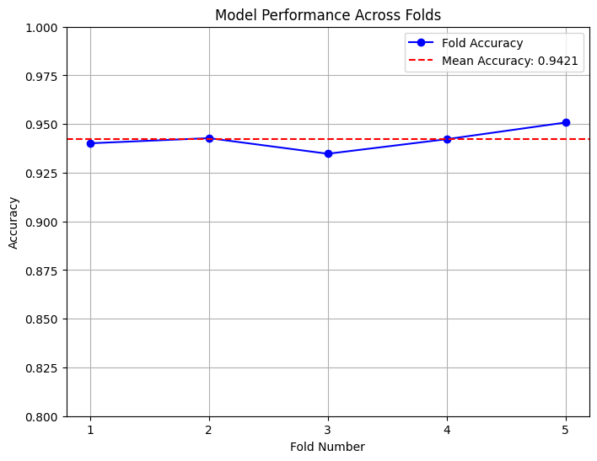

EXPERIMENT 4 - LBFGS 2 MODEL

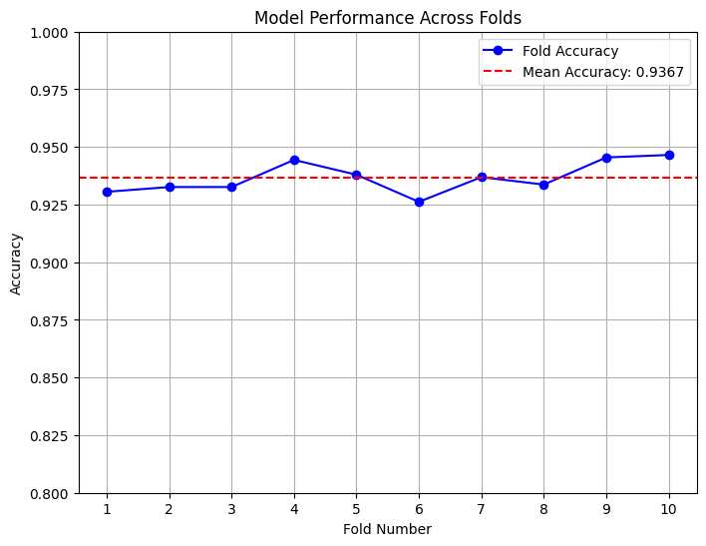
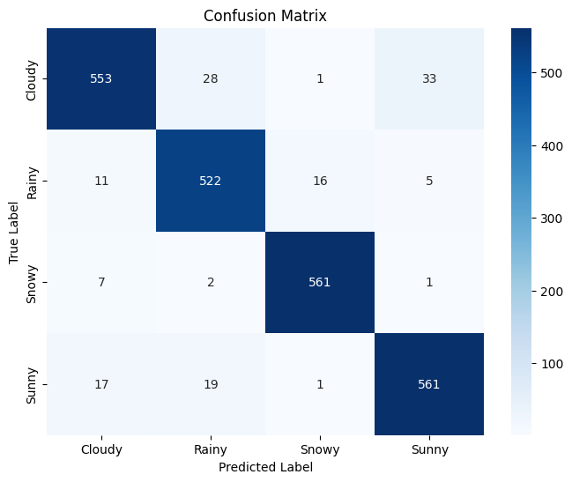
EXPERIMENT 5 - SAGA 2 MODEL


EXPERIMENT 6 - SAGA 3 MODEL

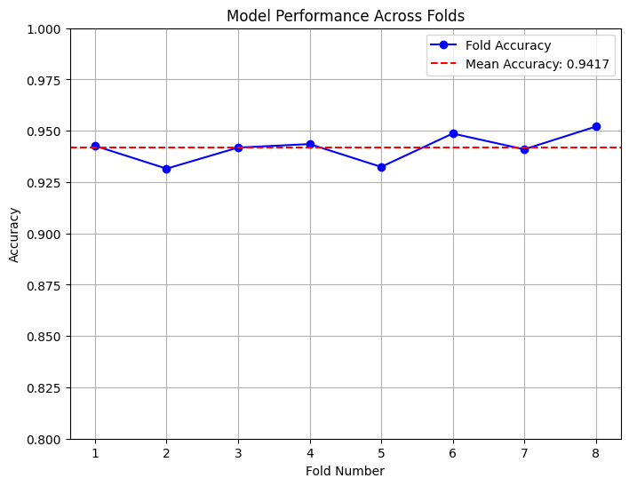

EXPERIMENT 7 - NEWTON CG 2 MODEL

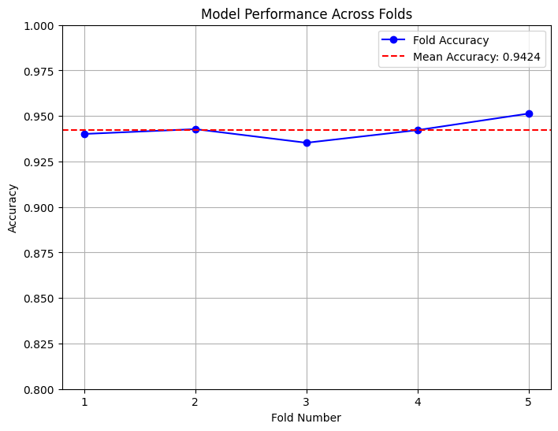

EXPERIMENT 8 - LBFGS 3 MODEL


EXPERIMENT 9 - SAGA 4 MODEL

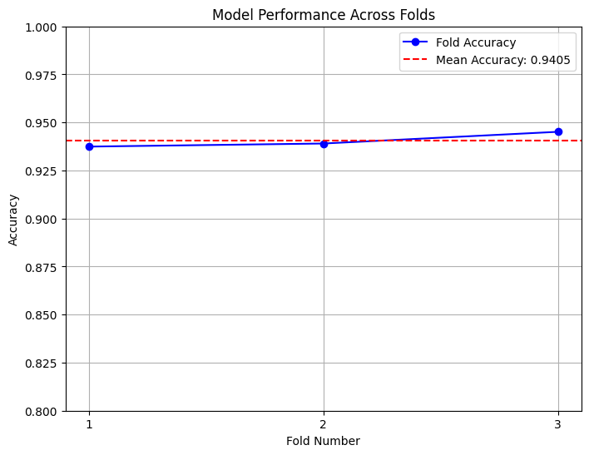

EXPERIMENT 10 - SAGA 5 MODEL

